Bug Report
SL No | Bug Description | Steps to Reproduce Bug | Severity | Priority | Screenshot
1 | The number of items remaining in the Completed tab is not appropriate | Step 1- Browse https://example.cypress.io/todo application Step 2- Add Multiple task in the TODOS Task Creater Step 2- Click on Completed tab | High | P2 | 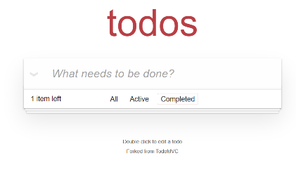
2 | Check Box Should present instread of Radio Buttons as Tick mark is added | Step 1- Browse https://example.cypress.io/todo application Step 2-User should land on the TODOS Application Step 3- Check Radio button are present inside the Task bar | High | P1 | 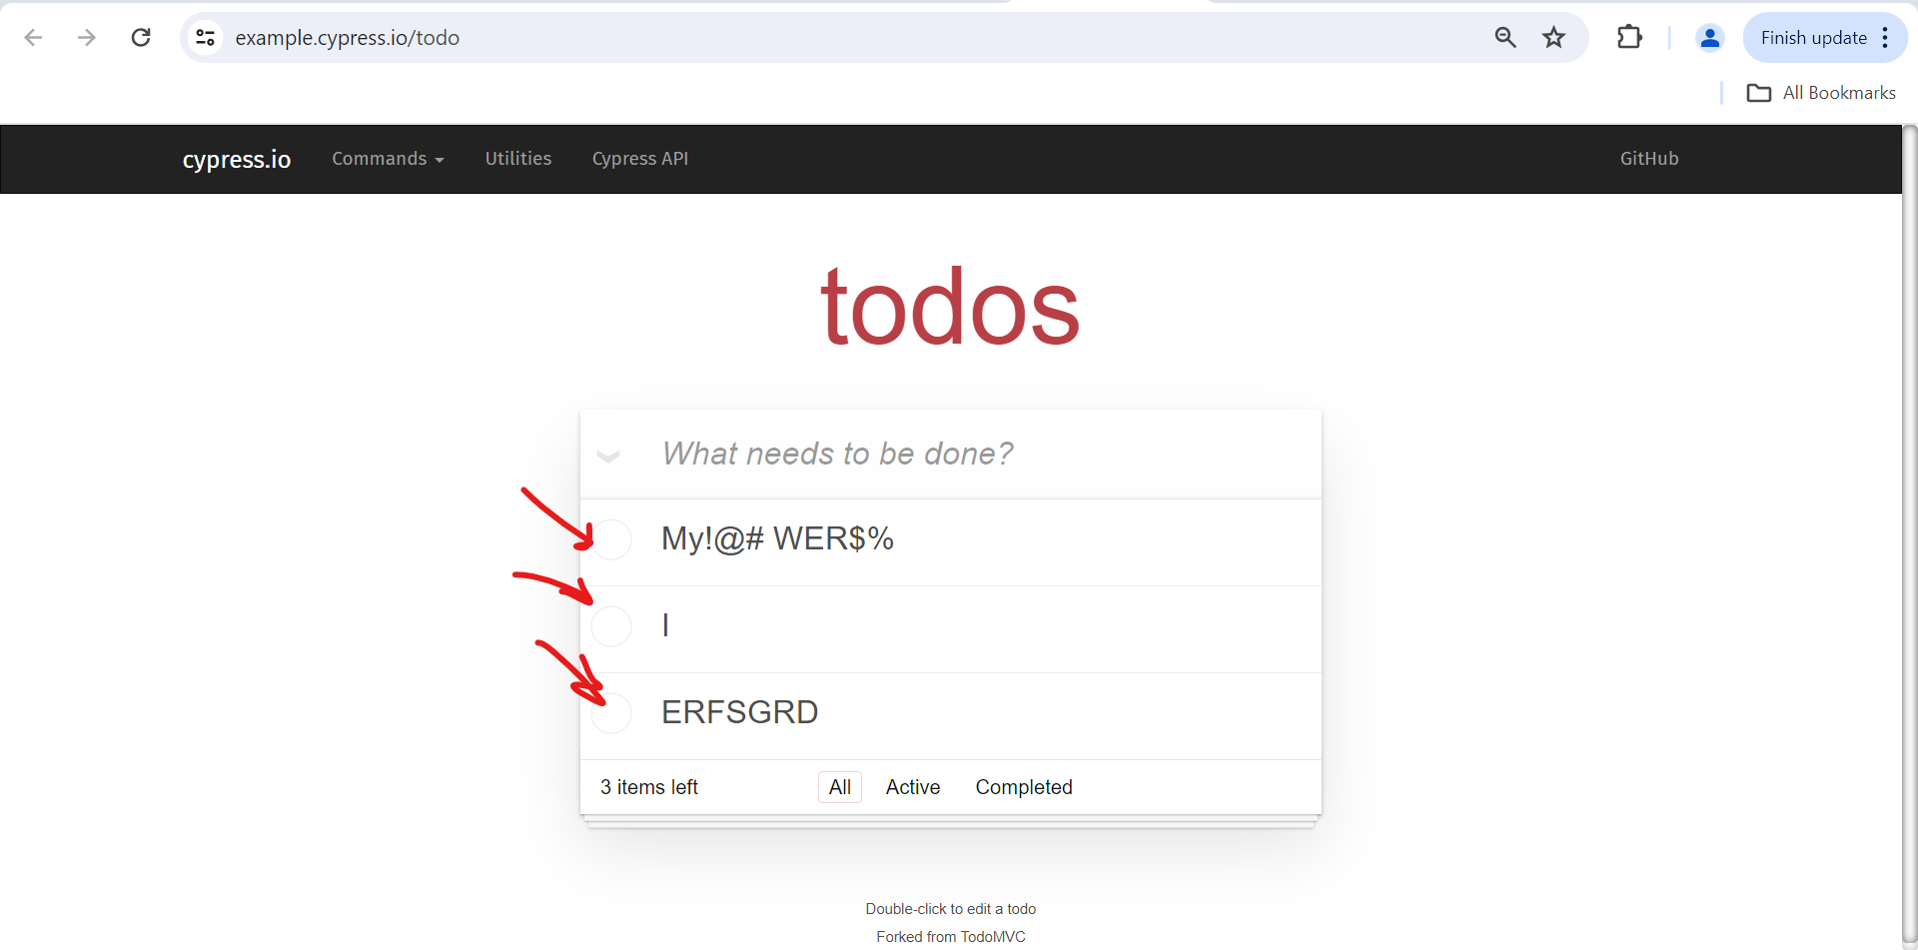
3 | When user is giving large space it should display in UI the space given by user it seems like hard coded | Step 1- Browse https://example.cypress.io/todo application Step 2-User should land on the TODOS Application Step 3- User should enter some text Using Space Step 4- The Text should reflect with space in the Task bar. | Low | P2 | 